Sorting and Filtering


Highest total amount | lowest total amount
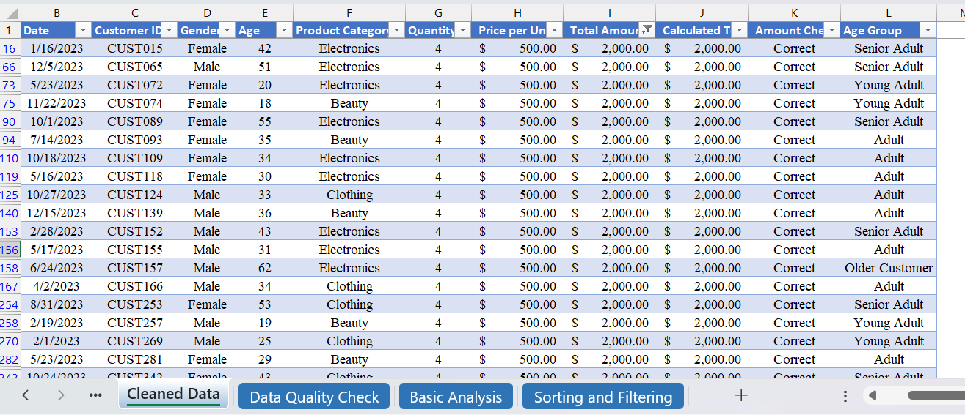
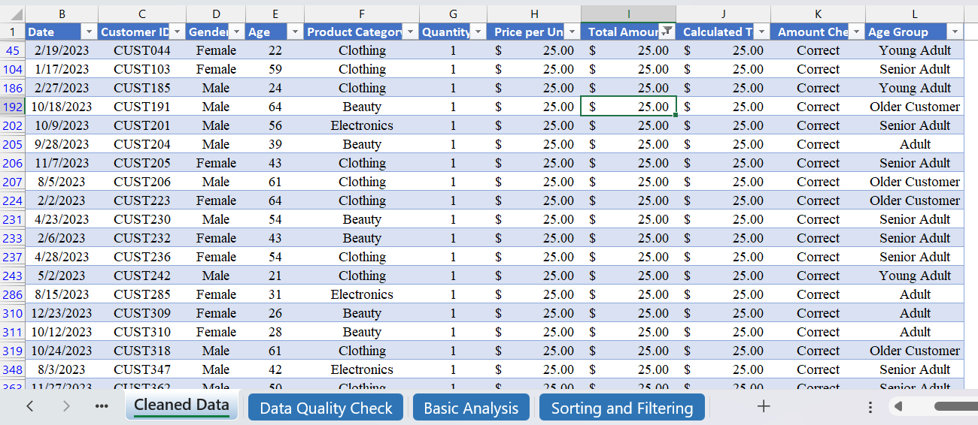

Product Category is Clothing by female | Quantity is greater than 2



Highest Total Amount to lowest Total Amount | Youngest customer to oldest customer

Charts
Total Sales by Product Category
 | Total Sales Amount
Beauty | $143,515.00
Clothing | $155,580.00
Electronics | $156,905.00
Total Quantity Sold by Product Category
 | Total Quantity Sold
Beauty | 771
Clothing | 894
Electronics | 849

Total Sales by Gender
 | Revenue Contribution(%)
Male | 48.94%
Female | 51.06%

